Backup-Transactions 2025-2026
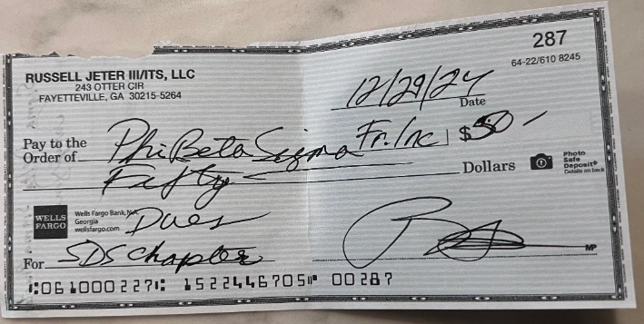

*Payment is for Terrall Mitchell*

 | Tryone ($47.79) + Dwight ($49.87) = $97.66

